COV
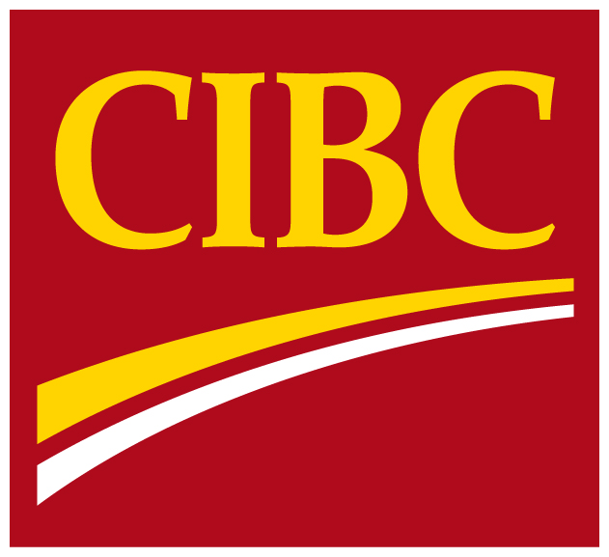
 | Supplementary
 | Financial
 | Information

 | For the period ended
 | July 31, 2016

For further information, please contact:
John Ferren, Senior Vice-President, CFO Infrastructure and Investor Relations (416) 980-2088
Jason Patchett, Senior Director, Investor Relations (416) 980-8691

